Sheet1
1) compute the amount of fuel and the cost of the fuel given the following information
given that car use deisel which is Rs 88/lt and petrol is used by bike which is 102/lt
start point | destination | distance | Car mileage (per litre) | Bike mileage (per litre) | Fuel needed (for car) | Fuel needed (for bike) | Fuel cost (for car) | Fuel cost (for bike)
Bangalore | Mumbai | 838 | 12 | 45.5 | 69.83 | 18.42 | 6145.33 | 1878.59
Hyd | Pune | 504 | 9.5 | 37.5 | 53.05 | 13.44 | 4668.63 | 1370.88
Bangalore | Hyd | 500 | 13.5 | 40.5 | 37.04 | 12.35 | 3259.26 | 1259.26
Delhi | Mumbai | 1163 | 15 | 47.5 | 77.53 | 24.48 | 6822.93 | 2497.39
Mumbai | Kolkatta | 990 | 12.5 | 36.5 | 79.20 | 27.12 | 6969.60 | 2766.58
Pune | Delhi | 1175 | 10 | 41.5 | 117.50 | 28.31 | 10340.00 | 2887.95
Chennai | Mumbai | 1025 | 11.5 | 44.5 | 89.13 | 23.03 | 7843.48 | 2349.44

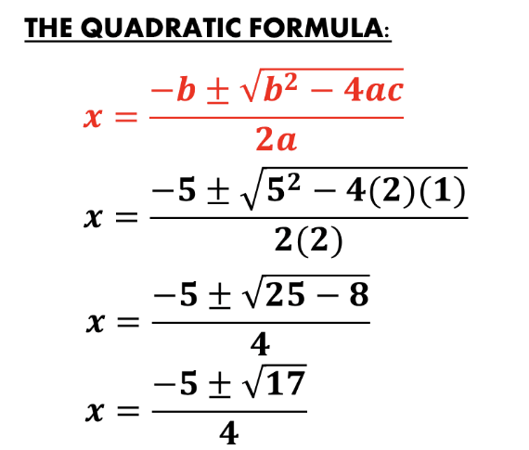
2) find the quadatric equation
you could use the SQRT available in Excel (Maths and Trignometry formula section)
Refer the formula as shown
a | b | c | root1 | root2
12 | 35 | 10 | -29.4 | -40.6
20 | 14 | 18 | -8.4 | -19.6
12.5 | 22.5 | 30 | -16.2 | -28.8
23 | 14 | 9 | -10.3 | -17.7
16.5 | 27.5 | 19.5 | -23.5 | -31.5

3) find the gross salary, net salary , total deductions - use the below RULES
HRA is 18% of Basic, DA is 12.5% of basic, PPF is 8.33% of basic and let say Income Tax is Flat 13.5% on gross Gross salary is basic + HRA + DA total deductions is PPF + Income Tax Net salary is Gross - total deductions
empid | basic | HRA | DA | PPF | Income Tax | total deductions | gross salary | net salary
1001 | 30000 | 5400 | 3750 | 2499 | 5285.25 | 7784.25 | 39150 | 31365.75
1200 | 23000 | 4140 | 2875 | 1915.9 | 4052.03 | 5967.93 | 30015 | 24047.08
19991 | 32500 | 5850 | 4062.5 | 2707.25 | 5725.69 | 8432.94 | 42412.5 | 33979.56
3320 | 28000 | 5040 | 3500 | 2332.4 | 4932.90 | 7265.30 | 36540 | 29274.70
16512 | 17500 | 3150 | 2187.5 | 1457.75 | 3083.06 | 4540.81 | 22837.5 | 18296.69
18172 | 37500 | 6750 | 4687.5 | 3123.75 | 6606.56 | 9730.31 | 48937.5 | 39207.19
35353 | 40000 | 7200 | 5000 | 3332 | 7047.00 | 10379.00 | 52200 | 41821.00

